Sheet1
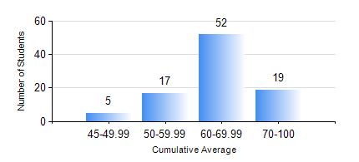
 |  |  | KWAME NKRUMAH UNIVERSITY OF SCIENCE AND TECHNOLOGY, KUMASI Department of Geomatic Engineering

 |  |  | BSC. GEOMATIC ENG.

 |  |  | COMPREHENSIVE RECORD OF EXAMINATION RESULTS

 |  |  | RESULTS OF YEAR 4 FIRST SEMESTER, 2022/2023 ACADEMIC YEAR

 | Sn | Course Code |  | Course Name | Credit Hours | Min. Mark | Max. Mark | Avg. Mark | Std. Dev. | No. Passed | No. Trailed | No. (Df) | No. (I) | No. (I*) | No. Tagged(I,I*,Df) | Total
 | 1. | CE 461 |  | ENG ECONOMY AND ENTERPRENEURSHIP DEVELOPMENT | 3 | 25 | 95 | 61 | 15.01 | 89 | 4 | 0 | 0 | 0 | 0 | 93
 | 2. | GE 451 |  | GEODETIC SURVEYING II | 3 | 12 | 95 | 66 | 17.16 | 88 | 5 | 0 | 0 | 0 | 0 | 93
 | 3. | GE 461 |  | CADASTRAL SURVEYING | 3 | 32 | 85 | 61 | 10.7 | 90 | 3 | 0 | 0 | 0 | 0 | 93
 | 4. | GE 463 |  | LAND AND GEOGRAPHIC INFORMATION SYSTEM I | 3 | 50 | 86 | 72 | 6.97 | 93 | 0 | 0 | 0 | 0 | 0 | 93
 | 5. | GE 475 |  | RESEARCH METHODS | 2 | 34 | 84 | 66 | 8.97 | 92 | 1 | 0 | 0 | 0 | 0 | 93
 | 6. | GE 491 |  | PROJECT I | 4 | 47 | 89 | 76 | 7.43 | 93 | 0 | 0 | 0 | 0 | 0 | 93

